Sheet1
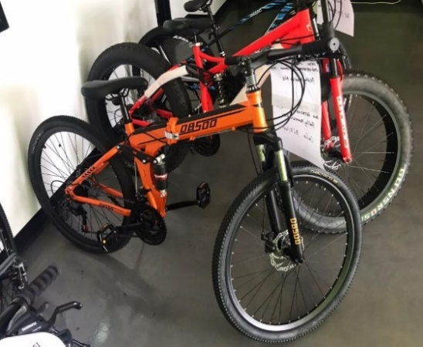
OBSOO/AOA/GUNSRO+A1:I50SE MOUNTAIN BIKE PACKING LIST |  |  |  |  |  | PHOTO
DATE 060823 # 19
ITEM | ANT# | COLOR | QTY
4XG-OBSDFTOG | ANTSE210900043 | ORANG | 17 PCS | FOLDING BIKE
OBSOO | ANTSE210700252 | ORANG | 10 PCS | FOLDING BIKE
OBSOO | -----21060074 | ORANG | 7 PCS | FOLDING BIKE
6XG-OBSDFTBKBL | ANT210900042 | BLACK | 10 PCS | FOLDING BIKE
TOTAL |  |  | 44 PCS

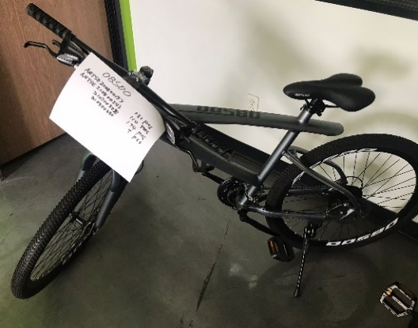
OBSOO | ANTSE210800197 | DK. GREY/BLACK | 40 PCS | SOME WHEEL 3 | BL/WHT
OBSOO | ANTSE210800243 | DK. GREY/BLACK | 35 PCS | SOME WHEEL 3 | BL/WHITE
OBSOO | -----210700328 | WHITE/BLACK | 52 PCS | wheel 3
OBSOO | 210800230 | ORANG | 3 PCS
TOTAL |  |  | 130 PCS

AOA | ANTSE210800197 | BLACK/WHITE | 8 PCS | FOLDING BIKE
AOA | ANTSE210800243 | BLACK/WHITE | 7 PCS | FOLDING BIKE
TOTAL |  |  | 15 PCS

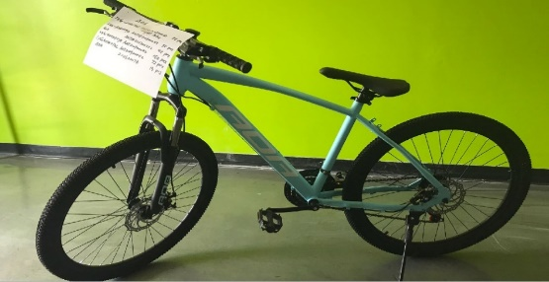
1XG-AOSDFTBL | ANTSE210900043 | LIGHT BLUE | 24 PCS
3XG-AOSDSDYE | ANTSE210900043 | YELLOW | 30 PCS | WHEEL 3
AOA | ANTSE210700252 | YELLOW | 13 PCS | WHEEL 3
2XG-AOSDFTYE | ANT210900042 | YELLOW | 48 PCS
1XGAOSDFTBL | ANT210900042 | LIGHT BLUE | 22 PCS
AOA | 210600074 | LIGHT BLUE | 4 PCS
TOTAL |  |  | 141 PCS

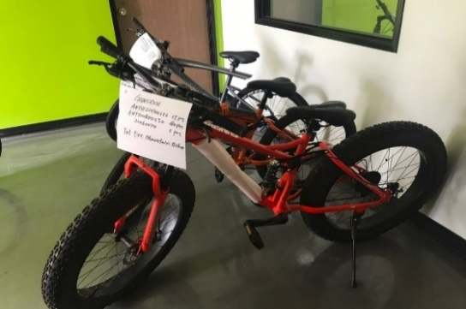
GUNSROSE | ANTSE210700252 |  | 11 PCS | FAT TIRE
GUNSROSE | ANT210800230 |  | 58 PCS | FAT TIRE
TOTAL |  |  | 69 PCS

 |  | SUB TOTAL: | 399 PCS

